Sheet2
login Sc | adhersc1/welcome |  |  | Direct Quotation
able to login | Yes

Parts Opportunity | working
Able to select module from dropdown | Yes

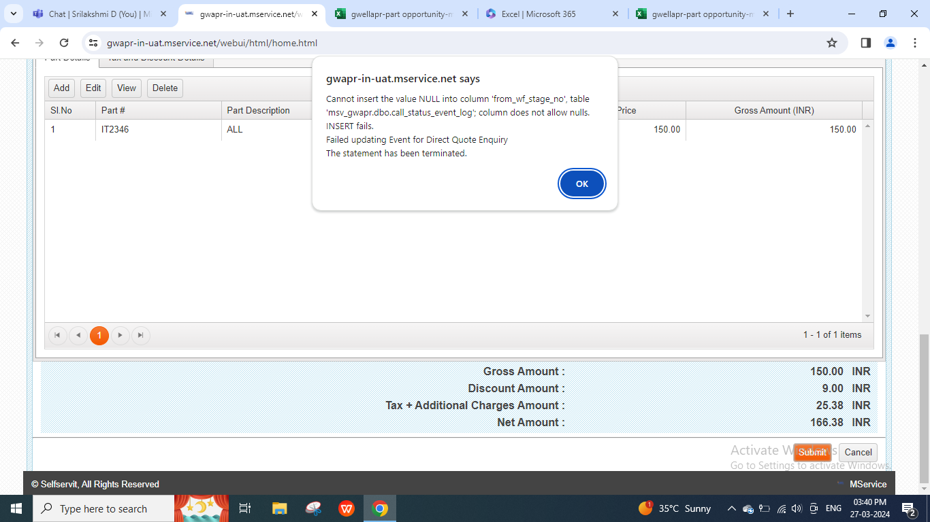
Quotation module/ manage spare quotation | Add
 | Copy From Quotation | category * | Quotation Type* | Date* | Dealer* | Dealer Location* | Bill To* | Bill To Locatopn* | Ship To * | Ship To Location* | Buyer Ref | Buyer RefDate | other Ref | Despatch Mode* | Place Of Despatch* | Destination* | Expected Closure Date | Payment Terms* | Terms Of Delivery* | Terms and Conditions* | Requirement | Vilidity Day* | Add part details | Submit | Remarks and issues
 | Search quotation and select from dropdown | Autofill | Autofill | Autofill & editable | Autofill & editable | Dropdown | Dropdown | Dropdown | Autofill | Dropdown | manual | manual calendar | manual | Dropdown | Autofill & editable | Autofill & editable | manual calendar | manual | manual | manual | manual | manual | Done | Not able to generate direct quotation | NA
Add Part Details | Add | other options Edit,view and delete
 | Part # * | VariantCode * | Umo * | Quantity * | Unite Price | Amount | Discount Type | Discount Value | HSN Code | GST rate | Submit | Remarks
 | Search item and select from dropdown | Autofill | Autofill & editable | integer | Autofill | Autofill | Dropdown | integer | Autofill | Autofill | Done - Part detail is saved successfully. | Amount , Discount type and Gst rate - Value showing down

